Sheet1
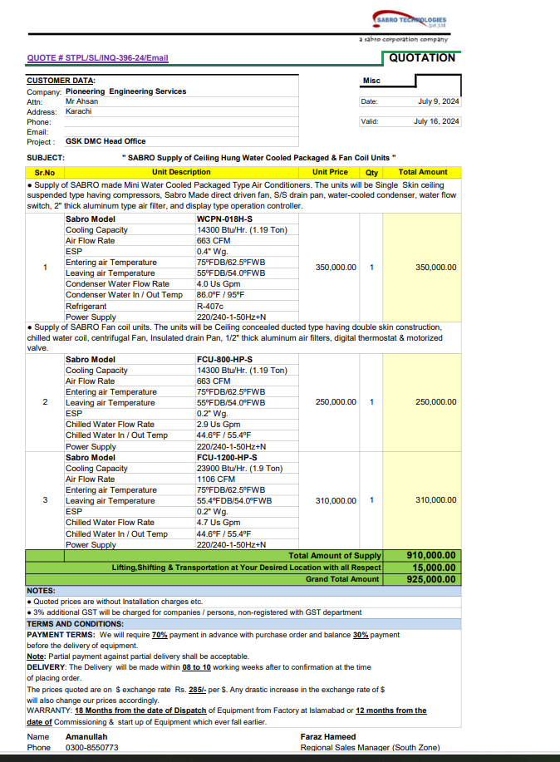


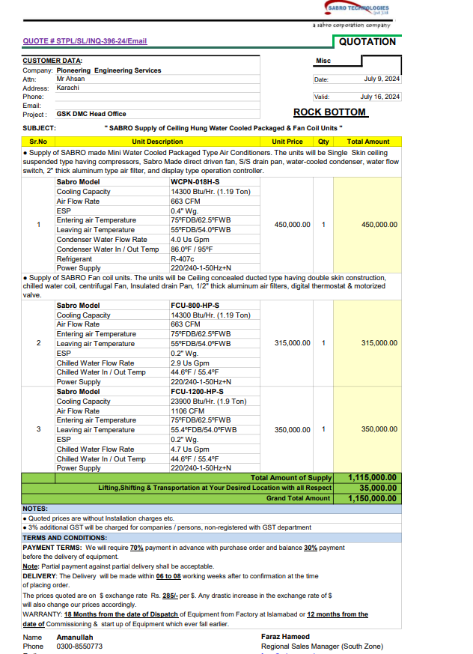

PES/GSK/002/7/24 |  |  |  |  |  |  |  | 2024-07-10

M/S My Interior

Mr. Shahzaib Mazhar

Variation order No 02
Fan Coil unit & Water Cooled Package Unit - GSK Office DMC Karachi

S. # | Description | Unit | Qty | Material Rate | Labour Rate | Over Head profit 25% | Tax 7.5% | Total Amount
1 | Supply & Installation of mini water cooled package unit Capacity: 1.19 Ton Make: SABRO | No | 1 | 531,000 | 45,000 | 144,000 | 54,000 | 774,000 | 350,000 | 413,000
2 | Supply & Installation of fan coil unit. Capacity: 1.9 Ton Make: SABRO | No | 1 | 413,000 | 25,000 | 109,500 | 41,063 | 588,563
3 | Supply and installation of hangers and supports. | Job | 1 | 25,000 | 5,000 | 7,500 | 2,813 | 40,313
4 | Transportation Charges | Job | 1 | - | 35,000 | 8,750 | 3,281 | 47,031
Total Amount Rs. |  |  |  |  |  |  |  | 1,449,906

Note: 13% SST will be charged seperately.

Thanking you,

For PIONEER ENGINEERING SERVICES.

Bilal Habib

